Audit Trail
April 2022-23 | Allocated Reserves | Amount
A | Recreation Ground Drainage | £5,673.00 | 2023/24 Budget
B | Recreation Hall Replacement | £108,972.70 | 2023/24 Budget
C | Draycot Foliat Parking | £37,500.00 | 2023/24 Budget
D | Windmill Piece Parking | £37,500.00 | 2023/24 Budget
E | Neighbourhood Plan CPC Funds | £10,000.00 | 2023/24 Budget
F | Neighbourhood Plan Groundwork Grant | £0.00 | 2023/24 Budget minus spend since budget set and residual funds transferred back to Groundwork UK as per grant conditions
G | Planning - New SID | £3,200.00 | 2023/24 Budget
H | BMX/Pump Track | £1,000.00 | 2023/24 Budget
I | CVPA Fund - Skate Park | £12,000.00 | 2023/24 Budget
J | CVPA Fund - Muga Goals | £12,000.00 | 2023/24 Budget
2 | Allocated Reserves Subtotal | £227,845.70 | A+B+C+D+E+F+G+H+I+J

May | Neighbourhood Plan CPC Funds | £9,743.34 | Minus £256.66 see NHP tab
June | Neighbourhood Plan CPC Funds | £8,918.71 | Minus £824.63 for Andrea Pellegram technical support (gap in funding)
July | No change
August | No change
September | Neighbourhood Plan CPC Funds | £7,288.71 | Minus £1,630 for NHP data Search, GIS data prep and mapping. Andrea Pellegram NHP consultancy fees Apr-Aug from CPC own funds.
September | Planning - New SID | £6,900.00 | Virement approved at March finance meeting, +£3.7k
September | Chapel Windows Refurb | £1,500.00 | £500 virement approved Nov'22 finance meeting, + £1k virement of 2023-24 budget to reserves
October | Neighbourhood Plan Groundwork Grant | £4,349.00 | Minus £320 for the annual survey monkey subs
November | Allotment Deposits | £750.00 | Add line for allotment deposits
November | CIL Funds | £62,030.30 | Add line for new CIL funds 2021-24
December | Allotment Deposits | £500.00 | Add £50 deposit for plot 1A
January | Neighbourhood Plan CPC Funds | £6,959.16 | Minus £321 for leaflet/survey printing and website additions, see NHP CPC tab
January | Neighbourhood Plan Groundwork Grant | £2,941.04 | Minus £1,407.96 for consultancy fees and leaflet printing, see NHP Grantwork grant tab
January | Allotment Deposits | £600.00 | Add £100 for 2 allotment deposits, plots 13B & 11A
January | Virements approved at January's Finance meeting:
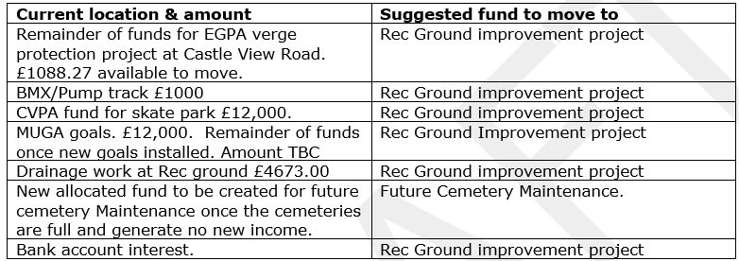
 |  |  |  | Amount | Status
 |  |  |  | £1,088.27 | COMPLETED

 |  |  |  | £1,000.00 | COMPLETED
 |  |  |  | £12,000.00 | COMPLETED

 |  |  |  | - | PENDING PURCHASE OF NEW GOALS. Update goals approved at March EGPA, due after year end.

 |  |  |  | £4,673.00 | COMPLETED
 |  |  |  | - | PENDING. TO BE COMPLETED AFTER YEAR END | ADD FIGURE WHEN CLAIR CONFIRMS WHICH OPTION

 |  |  |  | £4,211.54 | COMPLETED
 |  |  |  | £22,972.81 | Total virements in January
February | Recreation Hall Replacement | £131,932.51 | Minus £13 land Registry fee for Rec Field area title plan
February | Neighbourhood Plan CPC Funds | £6,769.16 | Minus £190 for handyman delivering NHP leaflets/posters around parish
February | Allotment Deposits | £650.00 | Add £50 for plot 10A allotment deposit
March | Recreation Hall Replacement | £131,929.51 | Minus £3 for land registry fee searches for Rec Field area title plan
March | Neighbourhood Plan CPC Funds | £6,669.16 | Minus £100 for handyman delivering NHP leaflets/posters around parish and collected/delivered paper surveys
March | Neighbourhood Plan Groundwork Grant | £1,014.54 | Minus £1926.50 to Andrea Pellegram, to collate responses to Reg. 14. Analyse responses and provide advice to parish council. Consideration of parish council views. Preparation of Basic Conditions Statement and Consultation Statement.
March | Allotment Deposits | £550.00 | Minus £100 for deposit refunds to 13B & 10B

